BUG02
Bug report number | BUG02

Summary | "Sign in" button overlaps the footer

Description | After choosing a product with no color selection option, I scrolled down to the bottom of the right side menu and noticed a visual bug: "Sign In" button overlaps the footer.

Steps to reproduce
1 | Open webpage https://academybugs.com
2 | Select "Find Bugs" section of the navigation bar
3 | Open a product with no color selection options
4 | Scroll down to the bottom of the right side menu
5

Expected result | The "Sign In" button is above the footer

Actual result | The "Sign In" button overlaps the footer.

Priority | Low

severity | Low


Repro rate | 100%

Screenshot

BUG03
Bug report number | BUG03

Summary | The page becomes unressponsive when changing the currency

Description | After opening a product and trying to change the currency in the right side menu the screen turnsblack and a note appears: "You found a crash bug, examine the page for 5 sec."

Steps to reproduce
1 | Open webpage https://academybugs.com
2 | Select "Find Bugs" section of the navigation bar
3 | Open a product
4 | Change the currency on the right side menu
5

Expected result | The currency is changed.

Actual result | The page becomes unresponsive, then the screen turns black and a note appears: "You found a crash bug, examine the page for 5 sec."

Priority | High

severity | High

Repro rate | 100%

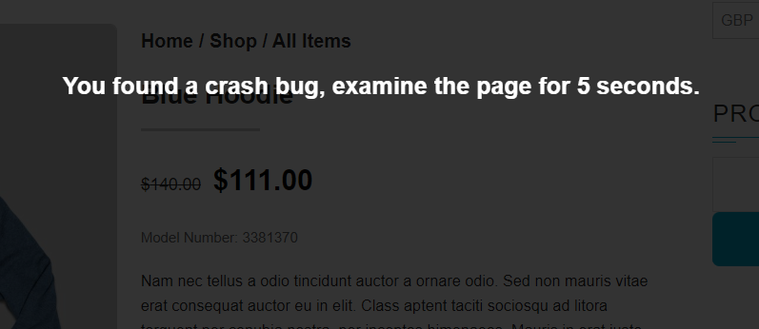
Screenshot

